Open Positions
Open Positions Table

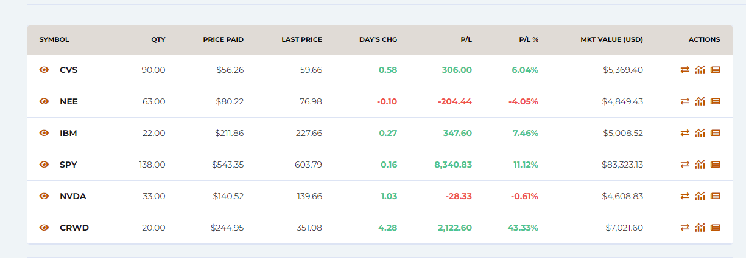

If you know how to do the Bloomberg comparative return chart, or a FactSet analysts target, you may include one (or more) of those

Stock Fund
https://edu.stocktrak.com/mccombstrading/ | Date | My Fund Values | S&P500 Values | My Fund Daily Return | S&P500 Daily return
Graph my portfolio, see historial values, export | 2024-09-09 | 100463.83 | 100351.22
copy only your portfolio values and line up in column D according to the first day you traded | 2024-09-10 | 100818.65 | 100789.12 | 0.35% | 0.44%
If you are misising 09/06 or 09/07, enter 100,000 in column D | 2024-09-11 | 101714.03 | 101825.02 | 0.89% | 1.03%
(Usually we cut nontrading days but due to time constraints, here will not do so) | 2024-09-12 | 102614.71 | 102684.28 | 0.89% | 0.84%
adityasindhavad88 vs SNP 500
 | 2024-09-13 | 103000.33 | 103221.54 | 0.38% | 0.52%
 | 2024-09-14 | 103000.32 | 103221.52 | 0.00% | 0.00%
 | 2024-09-15 | 103000.31 | 103221.5 | 0.00% | 0.00%
 | 2024-09-16 | 103333.39 | 103374.2 | 0.32% | 0.15%
 | 2024-09-17 | 103360.55 | 103416.5 | 0.03% | 0.04%
 | 2024-09-18 | 103064.53 | 103109.2 | -0.29% | -0.30%
 | 2024-09-19 | 104369.37 | 104871.9 | 1.27% | 1.71%
 | 2024-09-20 | 104422.63 | 104369.56 | 0.05% | -0.48%
 | 2024-09-21 | 104663.52328 | 104690.7477 | 0.23% | 0.31%
 | 2024-09-22 | 104663.53328 | 104690.7577 | 0.00% | 0.00%
 | 2024-09-23 | 104960.09328 | 104952.0477 | 0.28% | 0.25%
 | 2024-09-24 | 105062.36328 | 105251.9777 | 0.10% | 0.29%
 | 2024-09-25 | 104815.39328 | 105020.1477 | -0.24% | -0.22%
 | 2024-09-26 | 105057.36328 | 105435.9977 | 0.23% | 0.40%
 | 2024-09-27 | 105393.01328 | 105283.2877 | 0.32% | -0.14%
 | 2024-09-28 | 105393.02328 | 105283.2977 | 0.00% | 0.00%
 | 2024-09-29 | 105393.03328 | 105283.3077 | 0.00% | 0.00%
 | 2024-09-30 | 105607.85328 | 105704.6777 | 0.20% | 0.40%
 | 2024-10-01 | 104775.24328 | 104758.9277 | -0.79% | -0.89%
 | 2024-10-02 | 104893.02328 | 104803.0977 | 0.11% | 0.04%
 | 2024-10-03 | 104749.20328 | 104611.7477 | -0.14% | -0.18%
 | 2024-10-04 | 105820.17328 | 105561.1977 | 1.02% | 0.91%
 | 2024-10-05 | 105820.18328 | 105561.2077 | 0.00% | 0.00%
 | 2024-10-06 | 105820.19328 | 105561.2177 | 0.00% | 0.00%
 | 2024-10-07 | 104782.09328 | 104608.1077 | -0.98% | -0.90%
 | 2024-10-08 | 105688.53328 | 105596.1977 | 0.87% | 0.94%
 | 2024-10-09 | 106217.96328 | 106326.6877 | 0.50% | 0.69%
 | 2024-10-10 | 106404.42328 | 106326.6977 | 0.18% | 0.00%
 | 2024-10-11 | 107183.29328 | 106775.6677 | 0.73% | 0.42%
 | 2024-10-12 | 107183.30328 | 106775.6777 | 0.00% | 0.00%
 | 2024-10-13 | 107183.31328 | 106775.6877 | 0.00% | 0.00%
 | 2024-10-14 | 107775.46328 | 106775.6977 | 0.55% | 0.00%
 | 2024-10-15 | 106859.95328 | 106812.5077 | -0.85% | 0.03%
 | 2024-10-16 | 107484.07328 | 107276.1977 | 0.58% | 0.43%
 | 2024-10-17 | 107378.86328 | 107285.4077 | -0.10% | 0.01%
 | 2024-10-18 | 107450.48328 | 107697.5777 | 0.07% | 0.38%
 | 2024-10-19 | 107450.49328 | 107697.5877 | 0.00% | 0.00%
 | 2024-10-20 | 107450.50328 | 107697.5977 | 0.00% | 0.00%
 | 2024-10-21 | 107168.80328 | 107520.9677 | -0.26% | -0.16%
 | 2024-10-22 | 107027.35328 | 107463.9377 | -0.13% | -0.05%
 | 2024-10-23 | 105992.48328 | 106483.2277 | -0.97% | -0.91%
 | 2024-10-24 | 105966.18328 | 106713.2377 | -0.02% | 0.22%
 | 2024-10-25 | 105775.46328 | 106676.4477 | -0.18% | -0.03%
 | 2024-10-26 | 105775.47328 | 106676.4577 | 0.00% | 0.00%
 | 2024-10-27 | 105775.48328 | 106676.4677 | 0.00% | 0.00%
 | 2024-10-28 | 106054.11328 | 107005.8377 | 0.26% | 0.31%
 | 2024-10-29 | 105913.25328 | 107178.8077 | -0.13% | 0.16%
 | 2024-10-30 | 105398.70828 | 106854.9777 | -0.49% | -0.30%
 | 2024-10-31 | 103457.49328 | 104762.9077 | -1.84% | -1.96%
 | 2024-11-01 | 103856.47328 | 105204.5177 | 0.39% | 0.42%
 | 2024-11-02 | 103856.47328 | 105204.5277 | 0.00% | 0.00%
 | 2024-11-03 | 103856.47328 | 105204.5377 | 0.00% | 0.00%
 | 2024-11-04 | 103540.58328 | 104978.2277 | -0.30% | -0.22%
 | 2024-11-05 | 104900.02328 | 106245.9977 | 1.31% | 1.21%
 | 2024-11-06 | 107752.21328 | 108884.5677 | 2.72% | 2.48%
 | 2024-11-07 | 108306.06328 | 109725.4577 | 0.51% | 0.77%
 | 2024-11-08 | 108616.86328 | 110200.1877 | 0.29% | 0.43%
 | 2024-11-09 | 108616.86328 | 110200.1977 | 0.00% | 0.00%
 | 2024-11-10 | 108616.86328 | 110200.2077 | 0.00% | 0.00%
 | 2024-11-11 | 108819.33328 | 110305.0977 | 0.19% | 0.10%
 | 2024-11-12 | 108360.47328 | 109962.8677 | -0.42% | -0.31%
 | 2024-11-13 | 108479.84328 | 110016.2377 | 0.11% | 0.05%
 | 2024-11-14 | 107992.56328 | 109309.6877 | -0.45% | -0.64%
 | 2024-11-15 | 106442.24328 | 107911.2977 | -1.44% | -1.28%
 | 2024-11-16 | 106442.25328 | 107911.3077 | 0.00% | 0.00%
 | 2024-11-17 | 106442.26328 | 107911.3177 | 0.00% | 0.00%
 | 2024-11-18 | 107165.60328 | 107911.3277 | 0.68% | 0.00%
 | 2024-11-19 | 107960.88328 | 108352.9377 | 0.74% | 0.41%
 | 2024-11-20 | 108067.23328 | 108748.5477 | 0.10% | 0.37%
 | 2024-11-21 | 108904.58328 | 108785.3577 | 0.77% | 0.03%
 | 2024-11-22 | 109305.71328 | 109707.2077 | 0.37% | 0.85%
 | 2024-11-23 | 109338.16828 | 109707.2177 | 0.40% | 0.00%
 | 2024-11-24 | 109338.17828 | 109707.2277 | 0.00% | 0.00%
 | 2024-11-25 | 109545.79828 | 110078.9177 | 0.19% | 0.34%
 | 2024-11-26 | 110035.11828 | 110653.0077 | 0.45% | 0.52%
 | 2024-11-27 | 109505.99828 | 110318.1377 | -0.48% | -0.30%
 | 2024-11-28 | 109506.00828 | 110318.1477 | 0.00% | 0.00%
 | 2024-11-29 | 110093.33828 | 111002.6377 | 0.54% | 0.62%
 | 2024-11-30 | 110093.34828 | 111002.6477 | 0.00% | 0.00%
 | 2024-12-01 | 110093.35828 | 111002.6577 | 0.00% | 0.00%
 | 2024-12-02 | 110101.00828 | 111201.3877 | 0.01% | 0.18%

 |  |  | Fund Statistics | My Stock Fund | S&P500 Benchmark
 |  |  | Daily Ave Return | 0.12% | 0.12%
 |  |  | Quarterly Return | 7.26% | 7.81% | approximate return of my fund and market over about a quarter, based on average daily returns
 |  |  | Absolute Difference |  | -0.55% | excess return of my fund over market, ignoring beta or market risk of my portfolio

 |  |  | Beta of Stock Fund |  | 0.94 | equals slope of fund returns vs. the market returns

 |  |  | Risk-Free Rate |  | 1.00%

 |  |  | Quarterly Return Fund |  | 7.26% | EQUALS THE GREEN ONE ABOVE
 |  |  | ER based on Beta Risk |  | 7.40% | EQUALS Risk-free rate + beta of fund*(quarterly return S&P500 Benchmark - Risk-free rate)
 |  |  | Alpha |  | -0.15%

 |  |  | Absolute Diff Your Fund | < 0 | Your fund earned less than the market, but we did not adjust for risk
 |  |  | Absolute Diff Your Fund | 0 | Your fund's return just equaled the market
 |  |  | Absolute Diff Your Fund | > 0 | Your fund earned more than the market, but we did not adjust for risk

 |  |  | Beta of Your Stock Fund | < 1 | Your fund is less risky than the overall stock market
 |  |  | Beta of Your Stock Fund | 1 | Your fund has risk equal to the market
 |  |  | Beta of Your Stock Fund | > 1 | Your fund is riskier than the overall stock market

 |  |  | Alpha of Your Stock Fund | < 0 | Your fund underperfomed after adjusting for the risk of beta
 |  |  | Alpha of Your Stock Fund | 0 | Your fund neither underperformed nor outperformed
 |  |  | Alpha of Your Stock Fund | > 0 | Your fund outperformed after adjusting for the risk of beta

4-7 PPT Stock Analysis
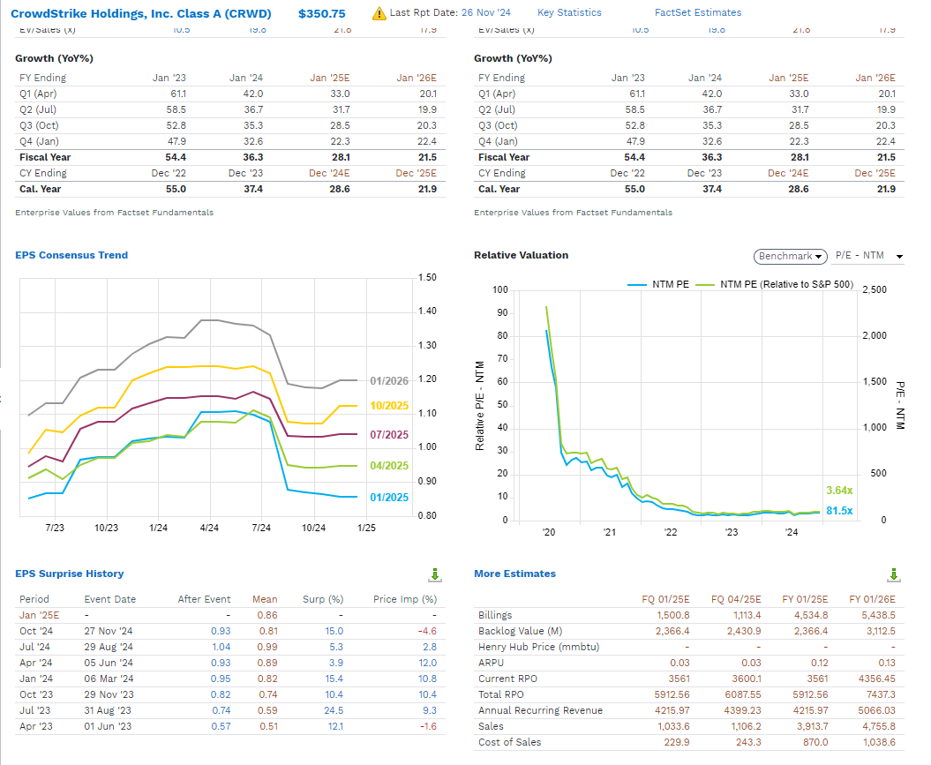
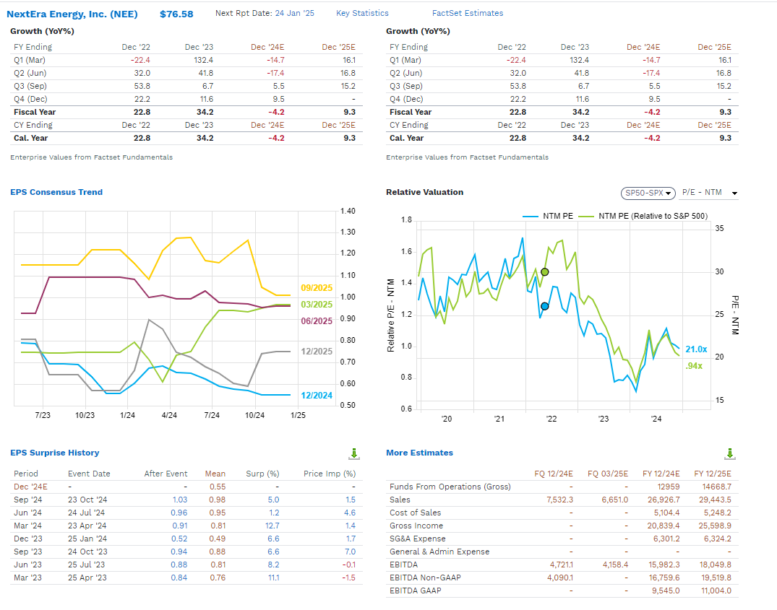
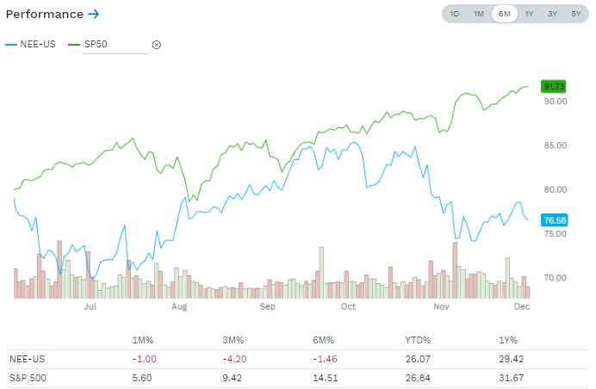
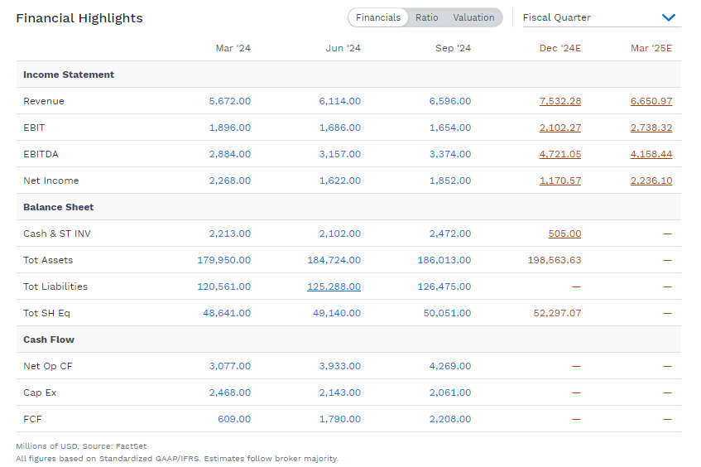
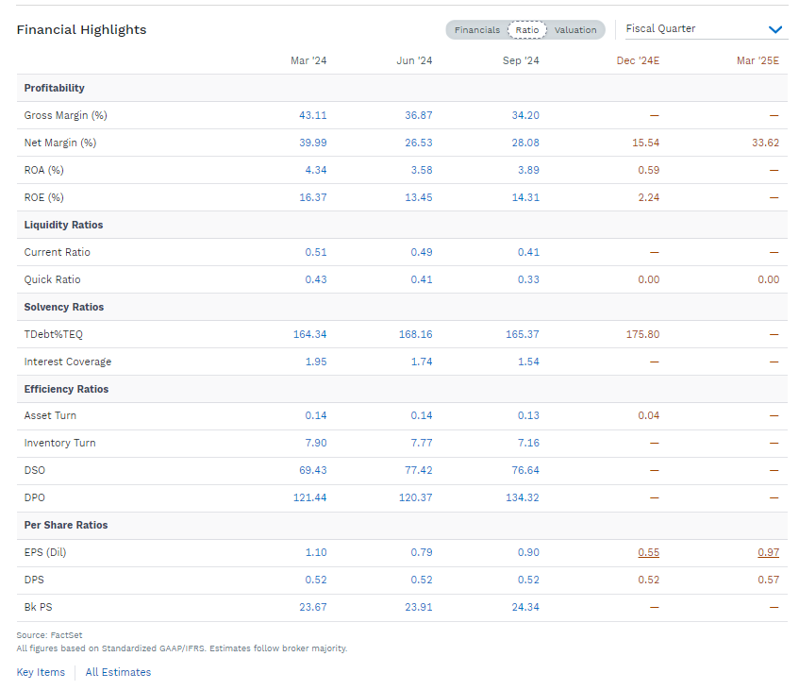
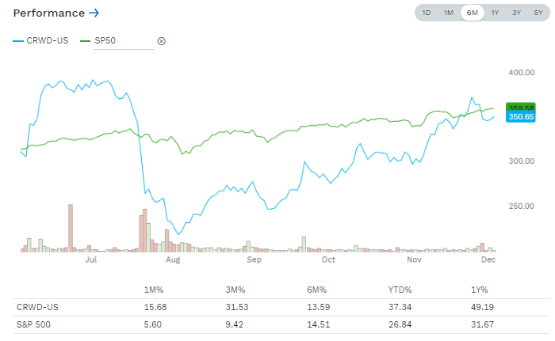
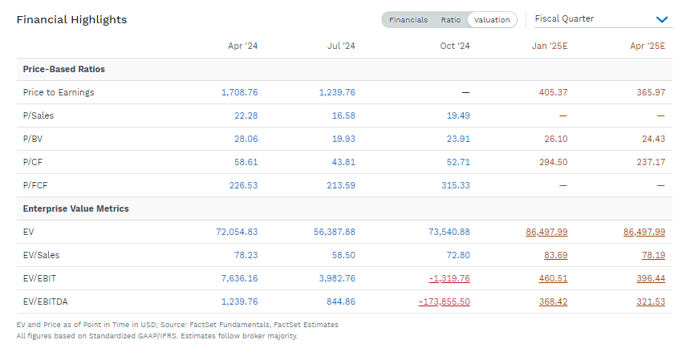
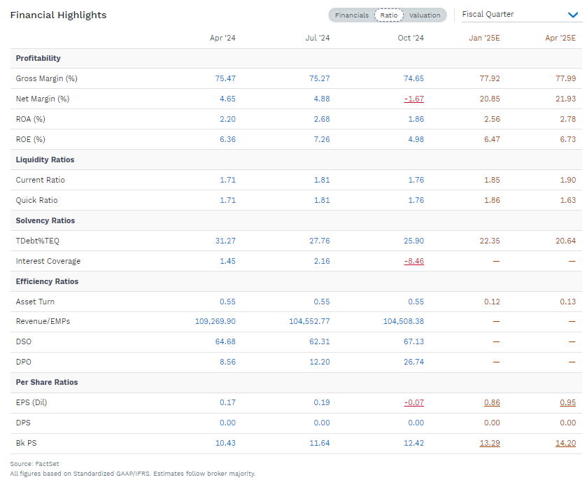
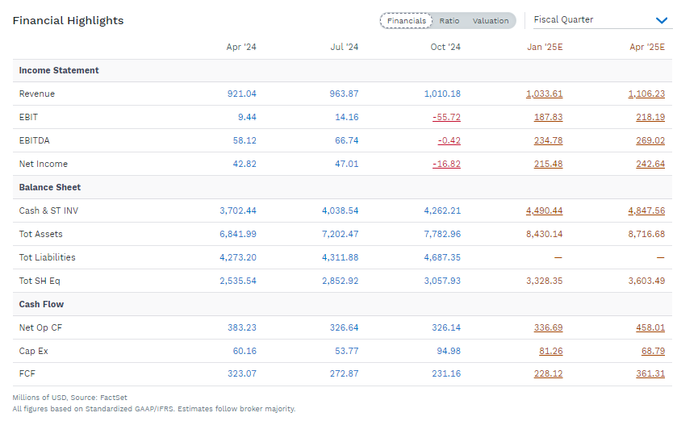
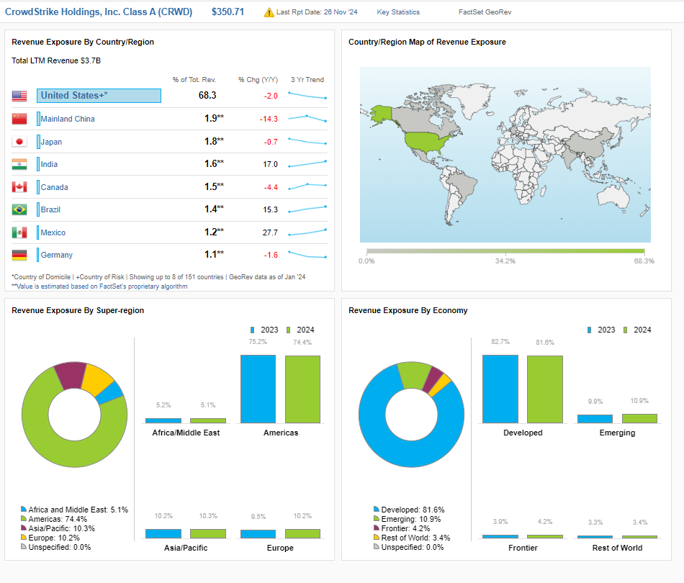
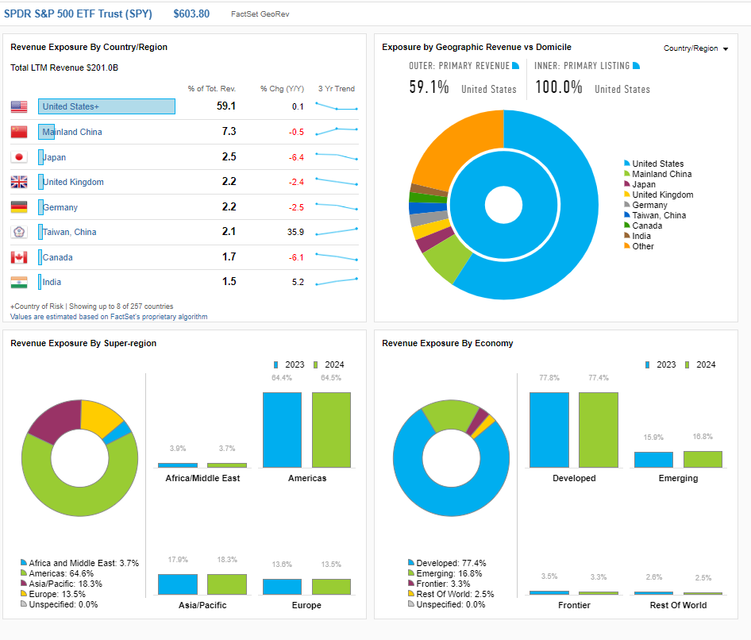
You may review your stock project in about 4 to 7 powerpoint slides. It is up to you how much to put in and what to put in. Some suggestions that would lead to 7 slides are below.

PPT | 1 | Open Positions
PPT | 2 | Graph of Fund Value vs. S&P500
PPT | 3 | Table: Absolute Excess Return, Beta (Fund Risk), and Alpha (Fund Performance Adjusted for risk)
PPT | 4 | Bloomberg or FactSet Exhibit
PPT | 5 | Bullet point review of how fund was set up. For example, how is it diversified? What drew your interest to some of the stocks?
PPT | 6 | Bullet point review of how the market( SPY ETF) did and how two of your stocks performed
PPT | 7 | Take-aways or what you learned in general or about beta and alpha

Project will be evaluated out of 10 points on:
completeness of data set
strength of exhibits
any insights as seen in bullet points

